Q-1
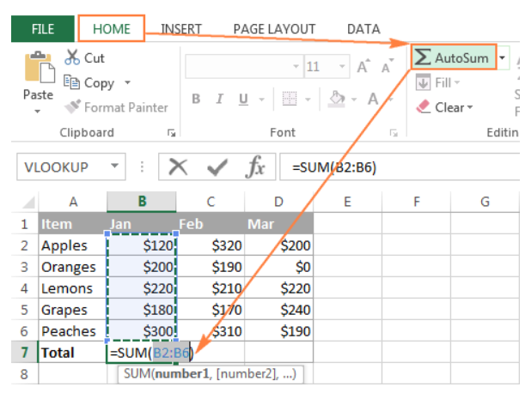
Q-1 How and when to use the AutoSum command in excel?
If you need to sum a column or row of numbers, Excel do the math for us.

◊How to AutoSum in Excel
Whenever you need to sum a single range of cells, whether a column, row or several adjacent columns or rows,
you can have Excel AutoSum to automatically make an appropriate SUM formula for you.

→To use AutoSum in Excel, just follow two 2 easy steps:
1- Select a cell next to the numbers you want to sum:
•To sum a column, select the cell immediately below the last value in the column.
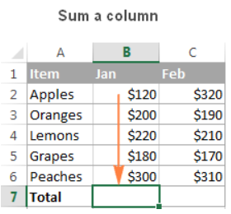

•To sum a row, select the cell to the right of the last number in the row.
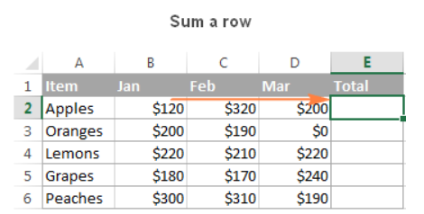

2- Click the AutoSum button on either the Home or Formulas tab.

Q-5
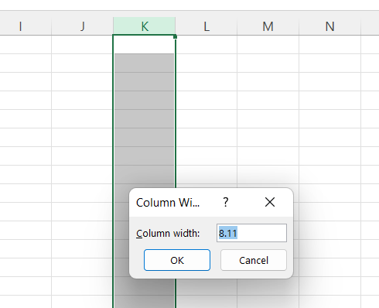
Q-5 What happens if you choose a column, hold down the Alt key and press the letters ocw in quick succession?
The column width dialogue box opens allowing you to set the exact width of the column.

Q-6

Q-6 If you right-click on a row reference number and click on Insert, where will the row be added?
You can insert a row in a spreadsheet anywhere you need it. Excel moves the existing rows down to make room for the new one.

◊ STEPS
• Click anywhere in the row below where you want to insert the new row.
• Right-click and choose Insert from the shortcut menu.
• The Insert dialog box opens.
• Choose Entire Row.
• Click OK.

